(WIP) Dashboard v2
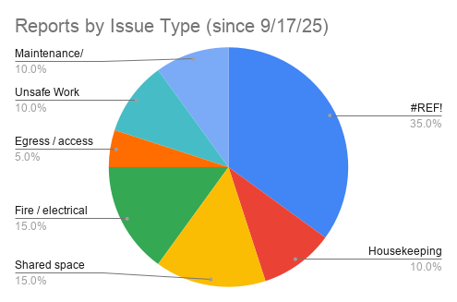
Refer to Analyses Subsheet for source data
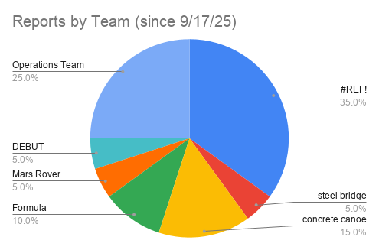
Number of Issues by Week

(WIP) Analysis
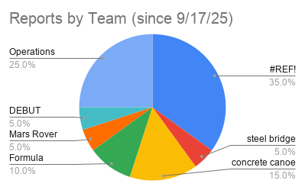
Team Name | Issue Type | Issue Severity | Date | Assigned Week # | Full Size Charts on Dashboard v2 | Week # | Num. Issues
#REF! | #REF! | #REF! | #REF! | #REF! |  | 0 | 6
#REF! | #REF! | #REF! | #REF! | #REF! |  | 1 | 0
#REF! | #REF! | #REF! | #REF! | #REF! |  | 2 | 7
#REF! | #REF! | #REF! | #REF! | #REF! |  | 3 | 0
#REF! | #REF! | #REF! | #REF! | #REF! |  | 4 | 0
#REF! | #REF! | #REF! | #REF! | #REF! |  | 5 | 0
#REF! | #REF! | #REF! | #REF! | #REF! |  | 6 | 0
steel bridge | Housekeeping | Yellow - Stewardship concern (Address at next scheduled meeting) | 9/18/2025 | 0 |  | 7 | 0
concrete canoe | Shared space (misuse of) | Yellow - Stewardship concern (Address at next scheduled meeting) | 9/18/2025 | 0 |  | 8 | 0
Formula | Shared space (misuse of) | Yellow - Stewardship concern (Address at next scheduled meeting) | 9/18/2025 | 0 |  | 9 | 0
concrete canoe | Housekeeping | Yellow - Stewardship concern (Address at next scheduled meeting) | 9/18/2025 | 0 |  | 10 | 0
Formula | Shared space (misuse of) | Orange - Operations/ Safety issue (resolve in 2-3 business days) | 9/18/2025 | 0 |  | 11 | 0
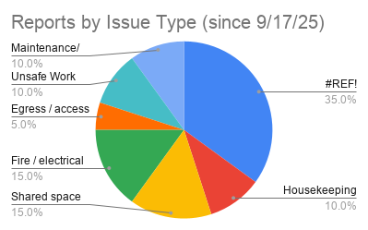
concrete canoe | Fire / electrical (code violation) | Red - Code violation (immediate action Required) | 9/19/2025 | 0 |  | 12 | 0
Mars Rover | Egress / access | Yellow - Stewardship concern (Address at next scheduled meeting) | 10/2/2025 | 2 |  | 13 | 0
DEBUT | Fire / electrical (code violation) | Red - Code violation (immediate action Required) | 10/2/2025 | 2 |  | 14 | 0
Operations Team | Unsafe Work Practices | Yellow - Stewardship concern (Address at next scheduled meeting) | 10/3/2025 | 2 |  | 15 | 0
Operations Team | Maintenance/ facilities | Ivory - Below standard (demonstrate improvement in 14-21 days) | 10/3/2025 | 2 |  | 16 | 0
Operations Team | Unsafe Work Practices | Yellow - Stewardship concern (Address at next scheduled meeting) | 10/3/2025 | 2 |  | 17 | 0
Operations Team | Fire / electrical (code violation) | Yellow - Stewardship concern (Address at next scheduled meeting) | 10/3/2025 | 2 |  | 18 | 0
Operations Team | Maintenance/ facilities | Purple - Opportunity for improvement (as time permits) | 10/3/2025 | 2 |  | 19 | 0
 |  |  |  |  |  | 20 | 0
 |  |  |  |  |  | 21 | 0
 |  |  |  |  |  | 22 | 0
 |  |  |  |  |  | 23 | 0
Number of Issues by Week
 |  |  |  |  |  | 24 | 0
 |  |  |  |  |  | 25 | 0
 |  |  |  |  |  | 26 | 0
 |  |  |  |  |  | 27 | 0
 |  |  |  |  |  | 28 | 0
 |  |  |  |  |  | 29 | 0
 |  |  |  |  |  | 30 | 0
 |  |  |  |  |  | 31 | 0
 |  |  |  |  |  | 32 | 0
 |  |  |  |  |  | 33 | 0
 |  |  |  |  |  | 34 | 0
 |  |  |  |  |  | 35 | 0
 |  |  |  |  |  | 36 | 0
 |  |  |  |  |  | 37 | 0
 |  |  |  |  |  | 38 | 0
 |  |  |  |  |  | 39 | 0
 |  |  |  |  |  | 40 | 0
 |  |  |  |  |  | 41 | 0
 |  |  |  |  |  | 42 | 0
 |  |  |  |  |  | 43 | 0
 |  |  |  |  |  | 44 | 0
 |  |  |  |  |  | 45 | 0
 |  |  |  |  |  | 46 | 0
 |  |  |  |  |  | 47 | 0
 |  |  |  |  |  | 48 | 0
 |  |  |  |  |  | 49 | 0
 |  |  |  |  |  | 50 | 0
 |  |  |  |  |  | 51 | 0
 |  |  |  |  |  | 52 | 0
 |  |  |  |  |  | 53 | 0
 |  |  |  |  |  | 54 | 0
 |  |  |  |  |  | 55 | 0
 |  |  |  |  |  | 56 | 0
 |  |  |  |  |  | 57 | 0
 |  |  |  |  |  | 58 | 0
 |  |  |  |  |  | 59 | 0
 |  |  |  |  |  | 60 | 0
 |  |  |  |  |  | 61 | 0
 |  |  |  |  |  | 62 | 0
 |  |  |  |  |  | 63 | 0

